New Recruiters Scenario
1 | Recruiters Home page | This is just a static page with few pictures etc..
 |  | http://gates.cc/works/huntable/html/recruiter.php

2 | Sign up for FREE | recruiters can sign up for free

3 | Registration page ( same as company registration page)

4 | Email verification

5 | click on the email to verify

6 | Registration form - same as compnay registartion page

7 | Give the download link once registration is completed

8 | Download will install Huntable applicationto their desktop

9 | When the recruiter opens the Application - By Default ask them to upload CV folder

10 | Recruiters can point a folder to upload resumes in to the application

11 | Resumes are uploaded in to the file | Alert given to the user when completed uploading

12 | Invitation sent to the candiates email in the folder or database | Automatic - recruiter does not do anything to do this action

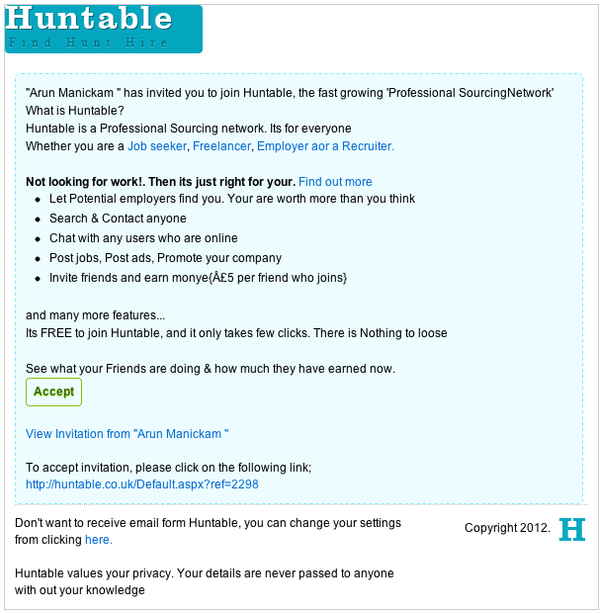
13 | when users join huntable - their database is updated with the latest resume from Huntable | conditions :
 |  | > email sent to the recruiter when the candidate joins huntable through them | Format /design / text is attached here.
 |  | > when a candiate joins huntable from other recuriters inviataion, it is also updated in all the recuriters databse even if the candiate dosent join huntable through them
 |  | > when a candiate joins huntabel througha particular recruiter, then, the recruiter becomes a follower to that candiate automatically. This will give them notification of any update of the candiate to them instantly | MESSAGE IN NOTIFICATION - Arun Manickam applied for a job Customer service executive. Check his profile to see if he matches any of your requirement?
 |  | > The recruiter can unfollow them from their account if they want to.
 | EXCEPTION TO RECRUITERS: | > RECRUITERS WILL ALSO GET NOTiFOCATION WHEN A CANIDATE APPLIES FOR A JOB |  | " Compnay name " recruiting compnay has invited to join Huntable.
 |  | > AND /OR UPDATE THEIR PROFILE TO AVAILABLE NOW.
 |  |  |  | Huntable is Porfessional sourcing network. Its for everyone.
 | Email notifictaion to recruiters | > when a candidate joins Huntable through them |  | Whether you are Student, Job seeker, Freelancer, Employer, Recruiter
 |  | > When a candidate resume is updated in theor database |  | or anyone who wants a professional identity
 |  | > Email to upgrade their account to premium when the 1st candidates joins as a premium member
 |  |  |  | Not looking for work ! Then its just right for you. Find out more.
 | Recruiters can login to the webite or Application using their login id |  |  | * let potential Employers & Recruiters find you. You are worth more than you think.
 |  |  |  | * Follow your favourite companies, people, Friends, Your skills and Industry
 | When logging in to the website | > They will be treated as a compnay |  | * Chat with any users who are online.
 |  | > When logging into the application - they will have access to their database |  | * Promote your skills and talent with targeted ads. Yes, now you can target compnaies and promote yourself.

 |  |  |  | and many more features...

 |  |  |  | Its FREE to join Huntable and it only takes a few clicks. There is nothing to loose.

 |  |  |  | See what your friends are doing in Huntable and how much they have earned now.

 |  |  |  | Accept Invitation.
 |  |  |  | Find out more

 |  |  |  | If the above linkis not working, copy and paste the below link in the browser.
 |  |  |  | http://huntable.co.uk/default.aspx?ref=2234

Application
Add database from folder

Search my data


 |  |  | VIEW MY COMPANY PROFILE

My Database

 |  | Updated on

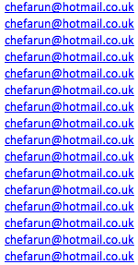
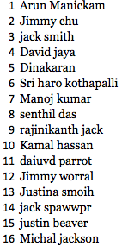

 |  |  |  | View Profile

View profile



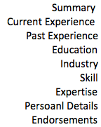

Sync email applications

 | SRI I NEED YOUR ADVIC EHERE - DON’T KNOW HOW THIS WILL WORK

 | THE IDEA IS, THE RECRUITER CAN SET THE AUTOMATIC CV UPLOAD FROM THEIR EMAIL HERE.

